Sheet1
Posisi 1 |  |  |  |  |  |  |  | Posisi 2
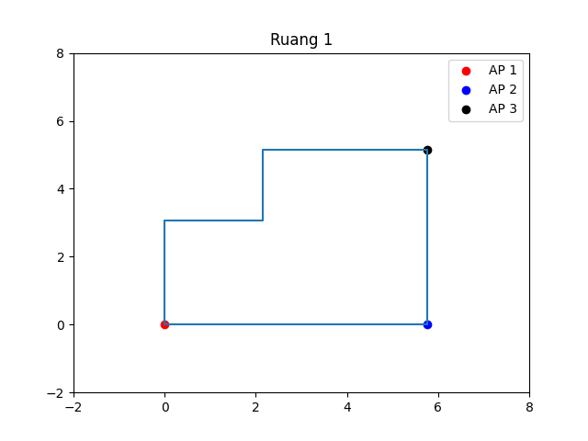
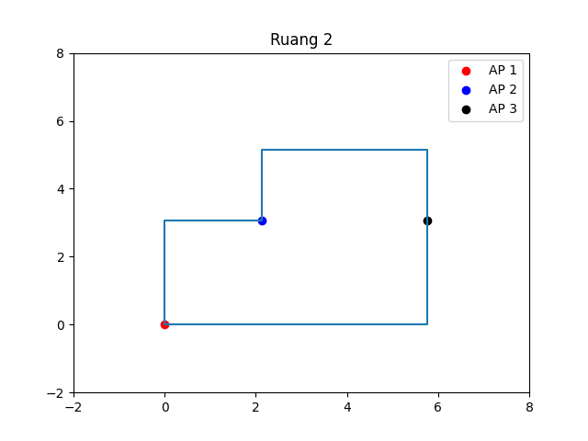

 | AP1 | AP2 | AP3 |  |  |  |  |  | AP1 | AP2 | AP3
RSSI | -24 | -25 | -22 |  |  |  |  | RSSI | -24 | -33 | -21
AP1 | Meter | RSSI | N | MSE | RMSE | Rata-Rata Error |  | AP1 | Meter | RSSI | N | MSE | RMSE | Rata-Rata Error
 | 2 | -26.85 | 0.94674950704 | 2.0931850838 | 1.4467843944 | 0.91890205555 |  |  | 2 | -27.87 | 1.29 | 84.489327666 | 9.1918076387 | 1.8239117056
 | 3 | -33.32 | 1.9533818516 | 1.519416933 | 1.232646313 | 0.99732294892 |  |  | 3 | -30.19 | 1.30 | 8.6456122871 | 2.9403422058 | 2.0448596101
 | 4 | -37.7 | 2.275520745 | 31.860784325 | 5.6445357936 | 2.1134743288 |  |  | 4 | -34.14 | 1.68 | 2.508797775 | 1.5839184875 | 1.1801710554
AP2 | Meter | RSSI | N | MSE | RMSE | Rata-Rata Error |  | AP2 | Meter | RSSI | N | MSE | RMSE | Rata-Rata Error
 | 2 | -36.63 | 3.8634023744 | 0.35653406389 | 0.59710473444 | 0.39639043214 |  |  | 2 | -36.33 | 1.11 | 1.2504737245 | 1.1182458247 | 0.84336994045
 | 3 | -37.73 | 2.6680848682 | 2.6668049664 | 1.6330355068 | 1.3607935398 |  |  | 3 | -35.05 | 0.43 | 145027.04402 | 380.82416417 | 111.66019783
 | 4 | -40.35 | 2.5495798128 | 6.5844319356 | 2.5660147965 | 1.8252362543 |  |  | 4 | -39.77 | 1.12 | 265.22728166 | 16.285800001 | 6.4256991396
AP3 | Meter | RSSI | N | MSE | RMSE | Rata-Rata Error |  | AP3 | Meter | RSSI | N | MSE | RMSE | Rata-Rata Error
 | 2 | -23.65 | 0.55 | 32906.57046 | 181.4016826 | 49.75695243 |  |  | 2 | -31.29 | 3.42 | 0.3096297481 | 0.55644384093 | 0.38250085682
 | 3 | -34.21 | 2.56 | 0.692616454 | 0.832235816 | 0.563537521 |  |  | 3 | -29.03 | 1.68 | 7.5639770558 | 2.7502685425 | 1.9452585432
 | 4 | -37.92 | 2.64 | 5.76846919 | 2.401763766 | 1.145380269 |  |  | 4 | -34.24 | 2.20 | 2.283560999 | 1.5111455916 | 0.98463884389

 |  |  | Average Ruang Kosong |  |  | Average Ruang Isi |  |  |  |  | Average Ruang Kosong |  |  | Average Ruang Isi
 |  |  | Error (-KF) | Error (+KF) |  | Error(-KF) | Error(+KF) |  |  |  | Error(-KF) | Error(+KF) |  | Error(-KF) | Error(+KF)
 |  |  | 11.32628733 | 5.828316699 |  | 12.451411242 | 4.591617206 |  |  |  | 65.379757434 | 23.583162766 |  | 87.044687193 | 43.381885677
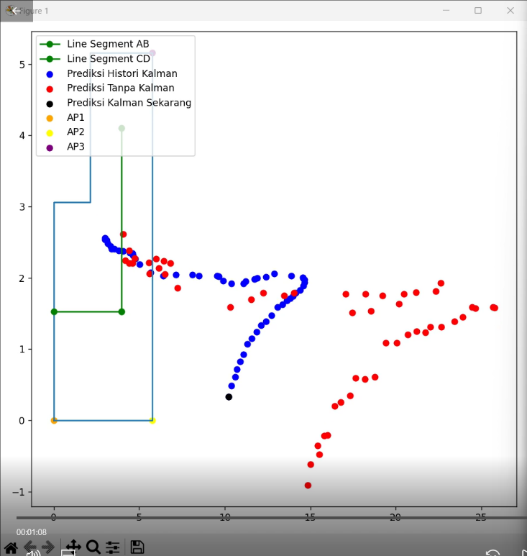
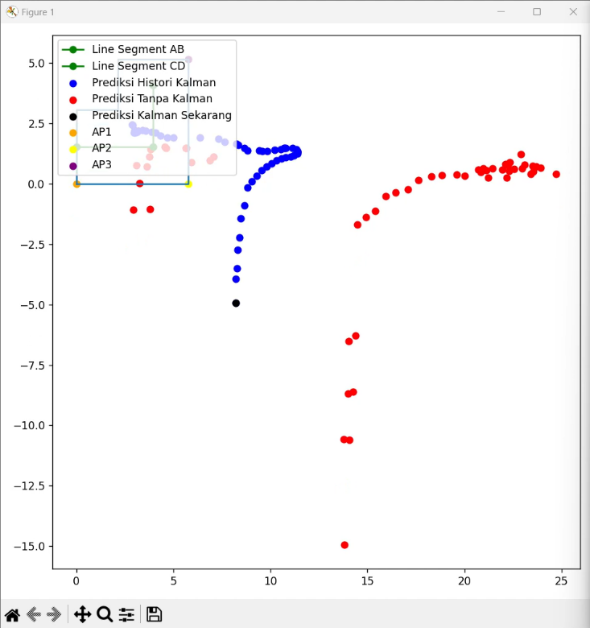
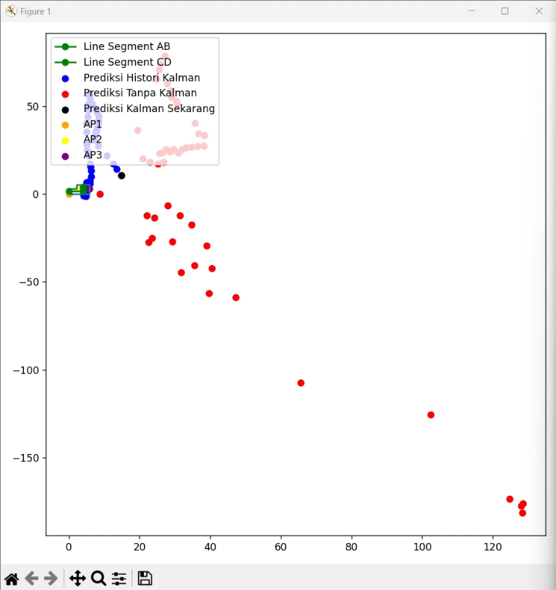
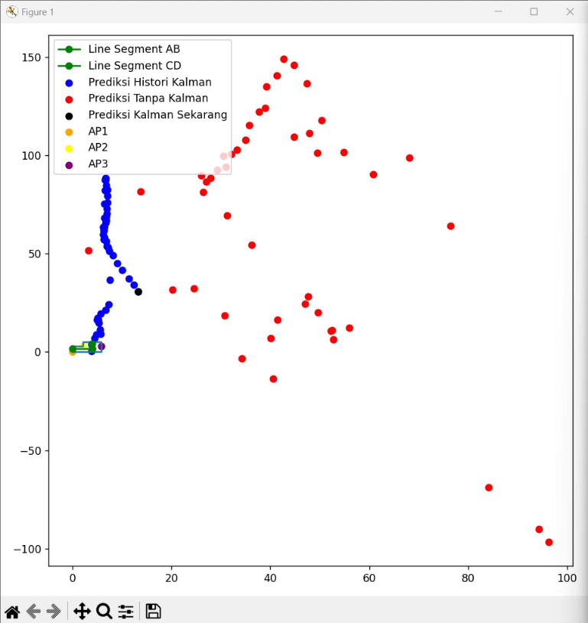

 |  |  |  | 49% |  | 63%
 |  |  |  |  |  |  |  |  |  |  |  | 64% |  | 50%

